Revision History

 |  |  |  |  |  |  |  |  |  | BE
 |  |  |  |  |  |  |  |  |  | BP
 | JIRA/SR Functional Test Cases |  |  |  |  |  |  |  |  | CD
 |  |  |  |  |  |  |  |  |  | TOP
 |  |  |  |  |  |  |  |  |  | TBP
 |  |  |  |  |  |  |  |  |  | PSI
Project: | BCA ISPS2 |  |  |  |  |  |  |  |  | FM
Module: | TBP |  |  |  |  |  |  |  |  | SD
 |  |  |  |  |  |  |  |  |  | ENF
REVISION HISTORY |  |  |  |  |  |  |  |  |  | SA
Created Date | Tester | Developer | Reviewer | Completed Actual Hours | Target Date | Signed-Off Date | UAT Rev/Build | Prod Rev/Build | Comments | BM
6-Sep-19 | Shayne | Joash | Neha |  |  |  | {UAT Rev No}/{Build No} | {Prod Rev No}/{Prod No} |  | GMEB
 |  |  |  |  |  |  |  |  |  | LS
 |  |  |  |  |  |  |  |  |  | BS (Inbox)
Note: This Document is intended for the use of the individual or organization named in the Distribution List. If you are not the intended recipient or the agent or employee responsible for delivering it to the intended recipient, you are hereby notified that any use, dissemination, distribution or copying of this communication is strictly prohibited. If you have received this in error, please notify us immediately and return the original message to us at the address shown below. |  |  |  |  |  |  |  |  |  | Counter
 |  |  |  |  |  |  |  |  |  | Sys Admin
 |  |  |  |  |  |  |  |  |  | Common
 |  |  |  |  |  |  |  |  |  | CD-Comm
 |  |  |  |  |  |  |  |  |  | CD-Consult
 |  |  |  |  |  |  |  |  |  | CD-Ncom
 |  |  |  |  |  |  |  |  |  | CD-Plan
 |  |  |  |  |  |  |  |  |  | CD-Waiver
 |  |  |  |  |  |  |  |  |  | ESS-CORR

SIT-Verify
Screenshot # 1 | Open a Process Temporary Building Permit case

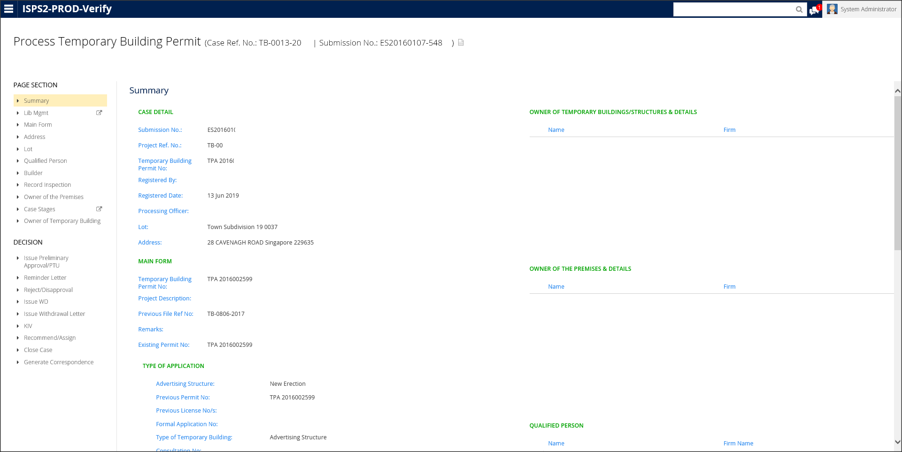

Screenshot # 2 | Navigate to Main Form > Tick anything under Type of Application - Advertising Structure > Update fields under Structure Used for Outdoor Display grid > Click Save

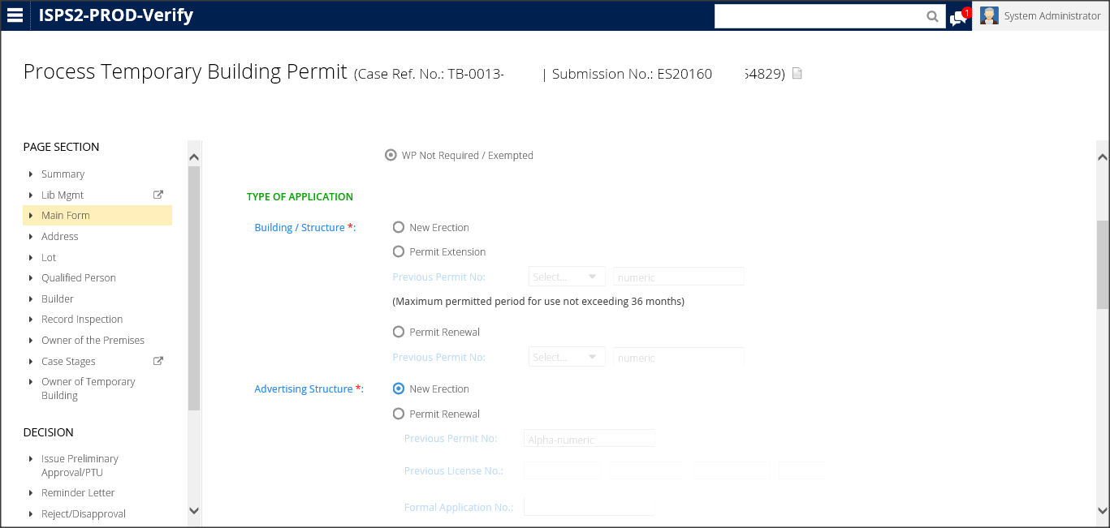

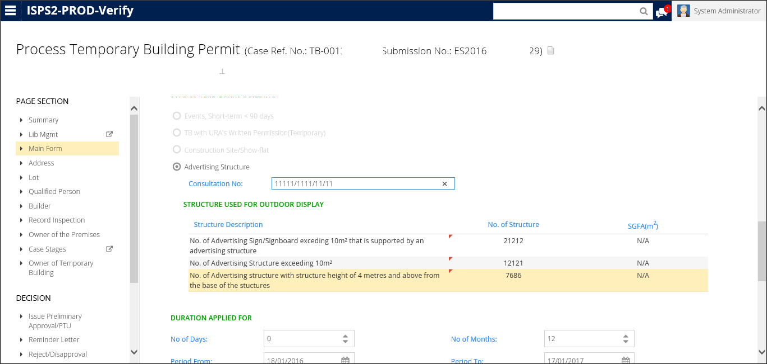

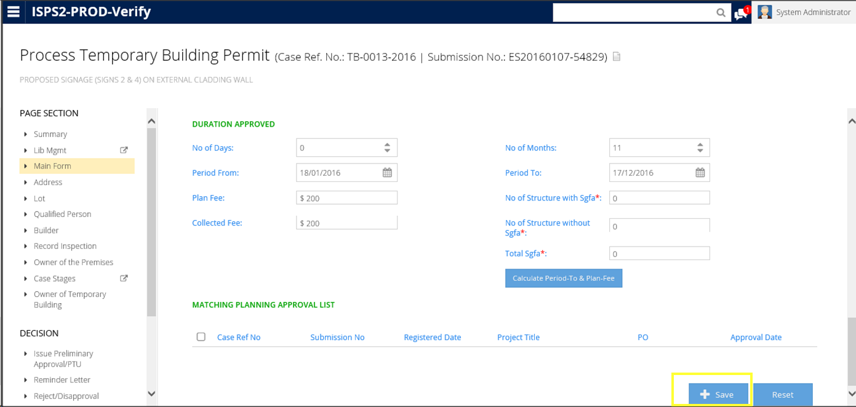

Screenshot # 3 | Navigate to Summary > Locate Type of Application > Verify that the 'Structure Used for Outdoor Display' grid is displayed in the Summary screen



Screenshot # 4

Screenshot # 5

Screenshot # 6

Screenshot # 7

